sales
Bug ID | Module / Section | Bug Title / Summary | Severity | Priority | Environment | Preconditions | Steps to Reproduce | Expected Result | Actual Result | Suggested Technical Fix
BUG 01 | CRM Module / Leads Funnel | Leads Pipeline Desk fails to fetch data showing generic network error "No response from server" | High | High | Chrome (Latest), Desktop Viewport (1920x1080), Production | User is logged into the CRM system with `SALES_EXECUTIVE` scope. | 1. Navigate to the [Leads Funnel page](https://aurexion-one.vercel.app/crm/leads). 2. Observe the main data table content area. 3. Check network response in developer tools. | Leads Pipeline Desk fetches and renders active leads list or displays an "Empty Leads" empty state if no records exist. | The table area displays a persistent error message: `"No response from server. Please check your network connection."` even when network connection is online. | Check the API endpoint target URL in `LeadsFunnelView.js` for CORS misconfigurations, authorization header missing/expired token handling, or backend server route failures (`500/502`). | 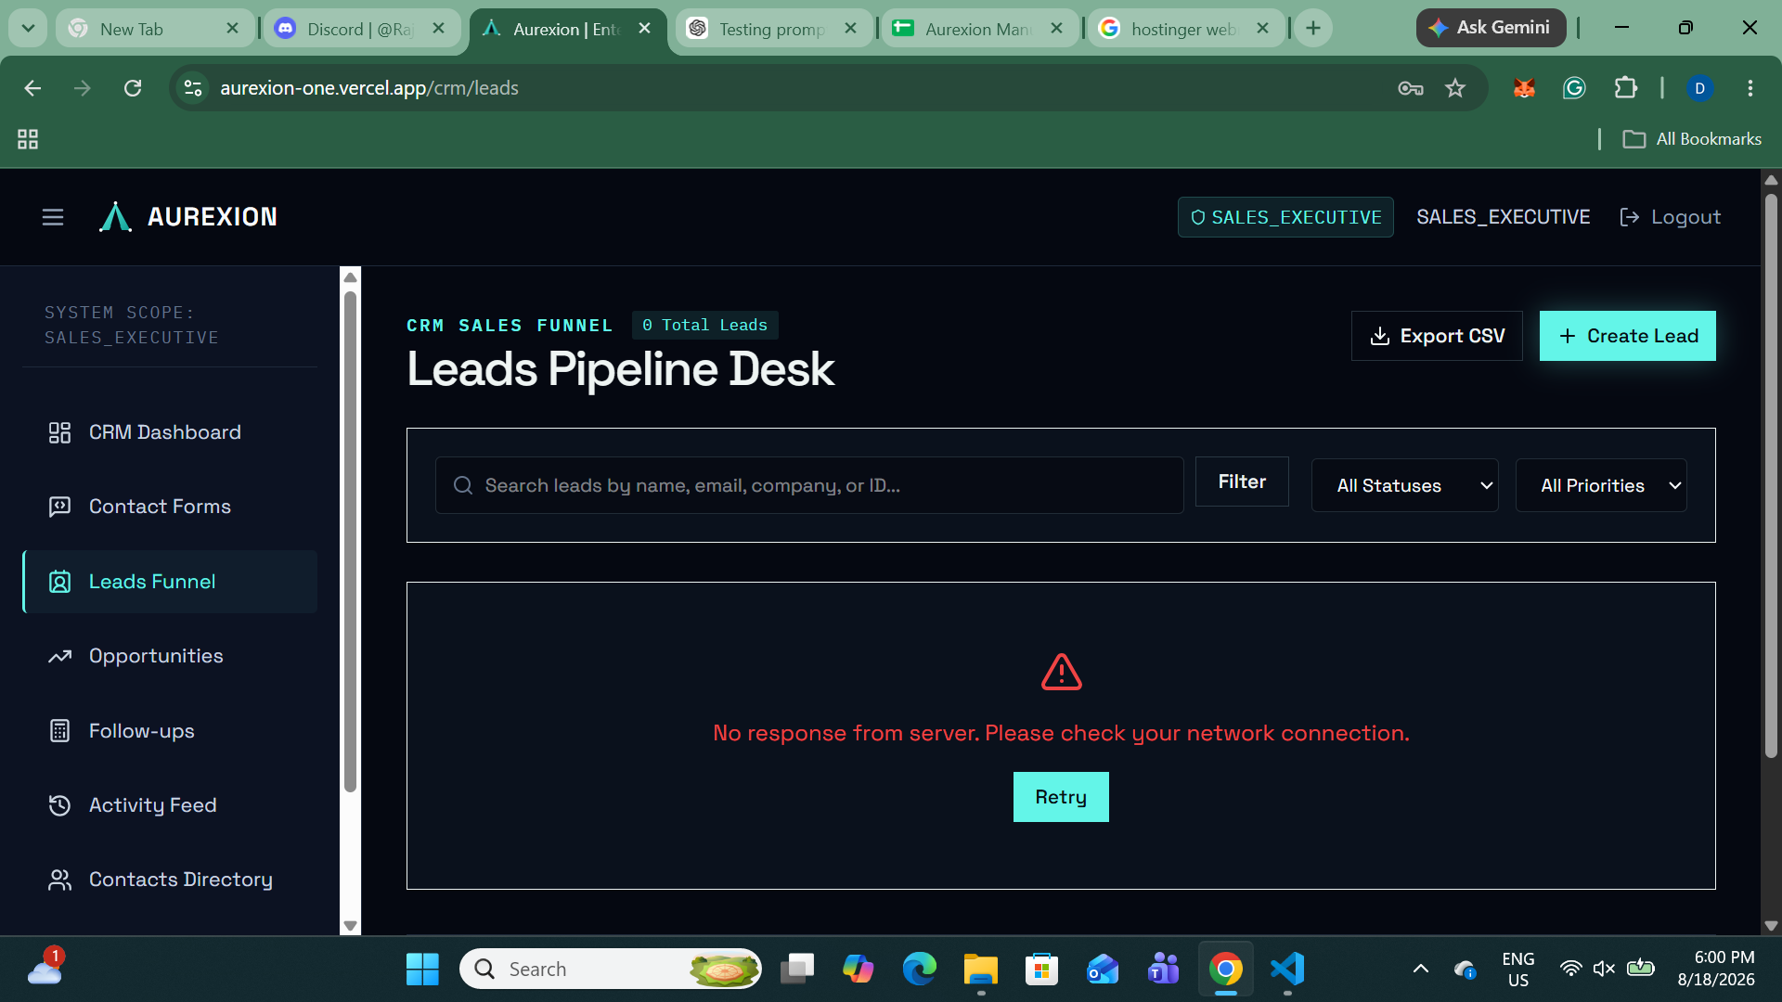
BUG 02 | CRM / Create Sales Lead Modal | Modal dialog overlay z-index failure causes top modal header to overlap and bleed into global header | Medium | High | Chrome (Latest), Desktop Viewport (1080p), Production | User opens the "Create Sales Lead" modal on the [Leads Funnel page](https://aurexion-one.vercel.app/crm/leads). | 1. Click "+ Create Lead" button to launch the modal dialog. 2. Observe the top boundary of the modal window relative to the global navigation header (`AUREXION`). | Modal backdrop and container sit on a higher z-index layer than the fixed global header, fully obscuring the page background and preventing overlap. | The top section of the modal ("NEW CRM ENTRY") overlaps directly with the top navigation bar (`AUREXION | O SALES_EXECUTIVE`), causing text bleeding and visual collision. | Increase the modal container and overlay backdrop `z-index` in `CreateLeadModal.tsx` (e.g., set `z-index: 50` or `z-index: 9999`) to ensure it renders cleanly above the global header (`z-index: 40`).
BUG 03 | CRM / Create Sales Lead Modal | Modal backdrop z-index layering causes global header elements to bleed through the overlay | Medium | Medium | Chrome (Latest), Desktop Viewport (1080p), Production | User opens the "Create Sales Lead" modal on the [Leads Funnel page](https://aurexion-one.vercel.app/crm/leads). | 1. Click the "+ Create Lead" button. 2. Observe the top boundary of the modal dialog relative to the top navigation bar. | Modal backdrop overlay renders on top of all page elements (including the fixed global header) to focus user attention strictly on the form. | The global top header (`AUREXION | O SALES_EXECUTIVE`) sits visually above the modal top header (`NEW CRM ENTRY`), allowing header text to bleed through the backdrop. | Increase the modal overlay container `z-index` in CSS (e.g., `z-index: 50`) relative to the fixed top header (`z-index: 40`) in `CreateLeadModal.tsx`.
BUG 04 | CRM / Create Sales Lead Modal | Required field indicators lack accessible form validation styling or explicit tooltips | Low | Low | Chrome (Latest), Desktop Viewport, Production | User opens the "Create Sales Lead" modal on the [Leads Funnel page](https://aurexion-one.vercel.app/crm/leads). | 1. Inspect required fields ("CONTACT NAME *", "EMAIL ADDRESS *"). 2. Submit the form empty or hover over required asterisks. | Required fields feature clear visual validation highlights and standard accessible field tooltips indicating mandatory entry requirements. | Required field indicators rely solely on a plain text asterisk (`*`) without visual field focus styling or explicit validation message prompts. | Add standard `required` HTML attributes and dynamic error state styling (`border-red-500`) with clear inline helper text for invalid/empty submissions in `CreateLeadModal.tsx`.
BUG 05 | CRM / Create Sales Lead Modal | Form submission fails displaying "ERROR // No response from server" due to broken endpoint or API network error | High | High | Chrome (Latest), Desktop Viewport, Production | User opens the "Create Sales Lead" modal on the [Leads Funnel page](https://aurexion-one.vercel.app/crm/leads) and fills in lead details. | 1. Click "+ Create Lead" to open the form. 2. Enter contact details ("Mubeena", "jhon@gmail.com"). 3. Click "Establish Lead" (or attempt initial fetch/submit). 4. Observe error banner inside modal. | The form successfully posts lead data to the backend API, closes the modal, and refreshes the leads list with a success notification. | Form submission or initial fetch inside the modal fails, rendering the persistent banner: `"ERROR // No response from server. Please check your network connection."` | Verify the endpoint URL and payload structure in `CreateLeadModal.tsx`; ensure proper CORS configuration, backend API route availability (`POST /api/crm/leads`), and valid user authorization headers.

